Introduction
Compliance attestation checklist 2025-26 for the Standing Directions 2018 under the Financial Management Act 1994 (Updated January 2026) Introduction and updates

The Standing Directions 2018 under the Financial Management Act 1994 (Directions) set the standard for financial management by Victorian Public Sector agencies (Agencies). This document contains a checklist of the mandatory requirements in the Directions and the supporting Instructions (see blue checklist tab). It is designed to be used by Agencies to assist with monitoring, reporting on and attesting to compliance with the Directions and Instructions. This includes the annual compliance reporting to Portfolio Departments and the Department of Treasury and Finance (DTF) discussed on the next page. While it is not mandatory for Agencies to use the checklist, its use is highly recommended by DTF. Note: this Excel checklist is able to be tailored to an Agency’s own business needs. The main Standing Direction (Blue Tab) Checklist must be completed by the Agency and any individual Compliance Deficiencies (at least at the main Direction and Direction sub-level (columns A and B), where applicable) included within the compliance report submitted to the Portfolio Department. NOTE: Columns A and B have been updated to read individually for ease of viewing and sorting. The checklist sets out all mandatory Directions and Instructions and other frameworks mandated through the Directions, including the Public Construction Directions and Instructions, Asset Management Accountability Framework (AMAF) and the Victorian Government Risk Management Framework (VGRMF). A separate checklist of mandatory requirements is also included in the specific Framework/Policy documents available on the DTF, DPC or VPSC websites. These checklists must be completed by the Agency and any individual Framework or Policy Compliance Deficiencies (at least at the Framework/Policy Reference No and Heading Description level (column A), where applicable) documented and included within the compliance report submitted to the Portfolio Department. NOTE: To assist agencies, the Excel checklist has separate Tabs

List of major updates to the attestation checklists:
Standing Directions | Insertion of Direction 4.2.5 Landholding accountability
Sponsorship policy | Agencies with Regulatory or Inspectoral Responsibilities - Application updated to "Relevant Agencies"
VGRMF | Deletion of 3.1.1 requirement - "the agency contributes to the identification and management of state significant risks, as appropriate"
Discretionary grants | Inserted requirements 4.2.2 (a) and (b) and corrected requirement 5 guidance on administration cost to be less than 5 per cent of the overall program budget, from 10 per cent.
Public construction | Inserted requirements (not new requirements but were not in previous versions) - Instruction 3.3.2, 3.6.3, and Proof of payment to subcontractors Clarified/updated Instructions 2.1.3, 6.1.1, 7.2.1,7.2.3 and deleted transitional arrangements for Instruction 7.1.2
Landholding | New checklist tab
RMF | Insertion of new mandatory requirements, effective 1 January 2026: 3.5.4, 3.5.5, 5.7.1, 6.1.1 (c) (ii)
Goods and Services policy (former VGPB) | Minor wording updates, removing references to VGPB and replacing it with 'goods and services procurement'

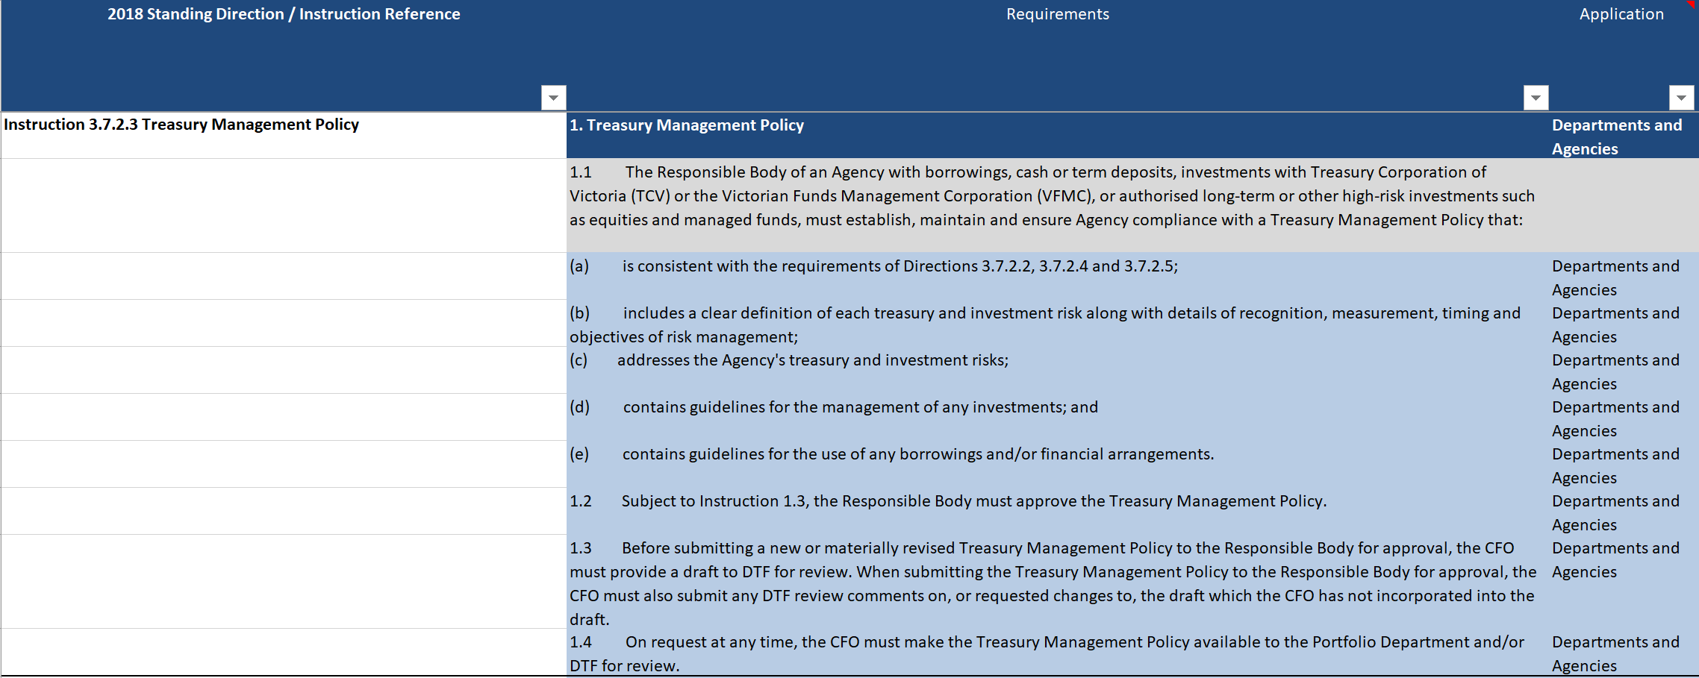

 |  | New in current year, example only, with either revised section highlighted or new text in blue

